Blad1
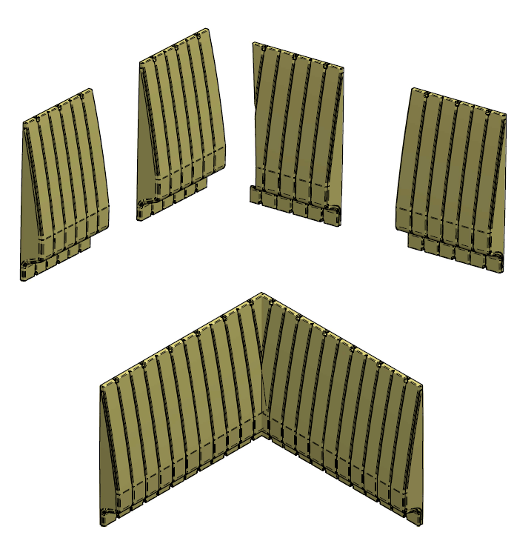


 |  | Q-line Safety Wall Calculation

 |  | Fill out

Short side 1 |  |  | mtr |  |  | 0 | SW panel
Short side 2 |  |  | mtr |  |  | 0 | SW panel
Long side 1 |  |  | mtr |  |  | 0 | SW panel
Long side 2 |  |  | mtr |  |  | 0 | SW panel

 |  |  |  | Total | 2 | budget | 30-4-05-09005
 |  |  |  |  |  | pro | 30-4-10-01002
Opening in wall

Door 1 panel |  |  | pcs |  |  | 0 | 30-4-40-00930

Door 2 panel |  |  | pcs |  |  | 0 | 30-4-40-01875

Door 3 panel |  |  | pcs |  |  | 0 | 30-4-40-02805

Corners |  |  | pcs |  |  | 0 | 30-4-20-01002

Fixings | wood | 30-3-95-00030 |  |  |  | 2 | sets
 | concrete | 30-3-95-00010
 | steel | 30-3-95-00020

Pallets | L=150 | B=95 | H=225 |  |  | 1 | Pcs
Weigth |  |  |  |  |  | 44.9 | Kg

